Project Name
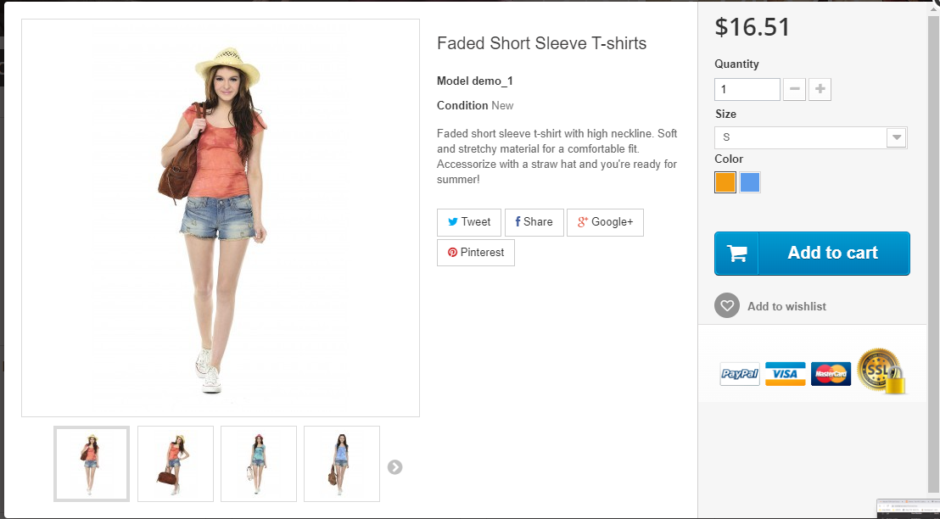
User | Link Web | username | password

